Inertia comparisons
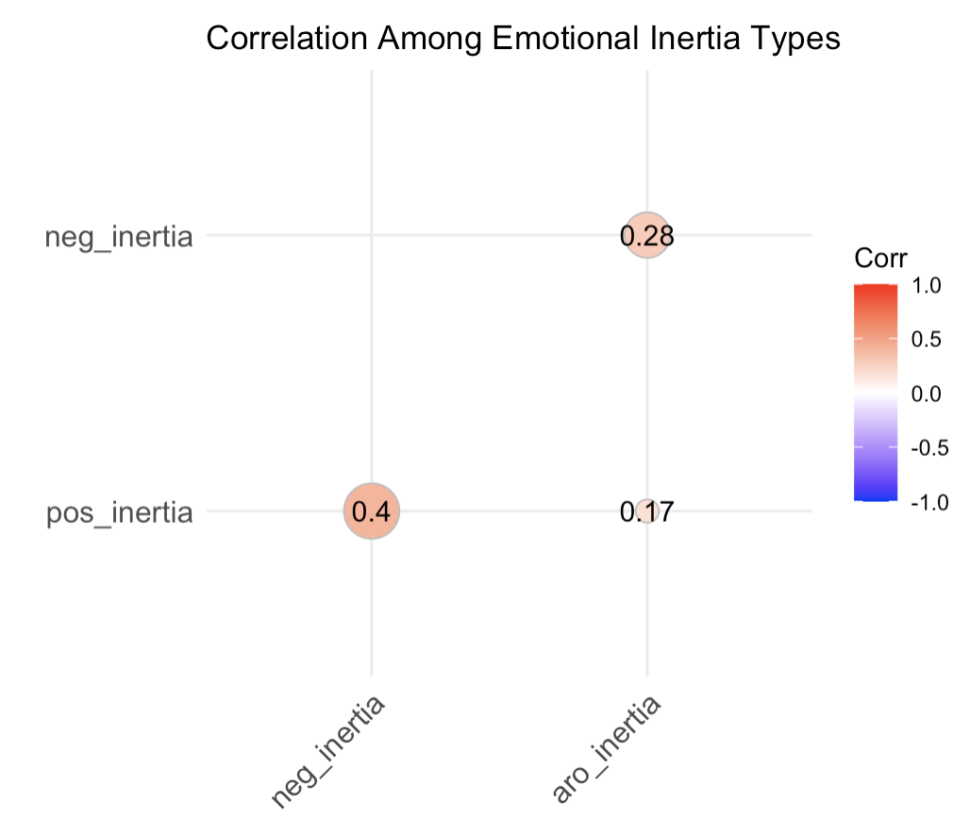
Mean differences between inertia types (Autoregressive Modeling)
Inertia comparison | P-value | Partial η² (ANOVA) | Cohen's d (two-group comparison) | Bonferroni
aro_inertia_neg (mean = 0.031) vs. aro_inertia_pos (mean = 0.007) | 0.1727 | 6.03E-03 | 0.16 | 1 | Didn't past Bonferroni robust test
neg_inertia (mean = -0.024) vs. pos_inertia (mean = -0.032) | 0.4607 | 1.76E-03 | 0.08 | 1 | Didn't past Bonferroni robust test
neg_inertia_pos (-9.32e-06) vs. pos_inertia_neg (-3.28e-05) | 0.9998 | 1.39E-10 | 2.35E-05 | 1 | Didn't past Bonferroni robust test
pos_inertia_pos vs. pos_inertia_neg | 0.9452 | 1.79E-05 | 8.44E-03 | 1 | Didn't past Bonferroni robust test
neg_inertia_neg vs. neg_inertia_pos | 0.7758 | 3.04E-04 | 0.03 | 1 | Didn't past Bonferroni robust test
pos_inertia_neu vs. neg_inertia_neu | 0.9997 | 6.77E-10 | -5.24E-05
Difference between all 12 inertia types | 1 | 0.0008
Conclusion: all of the three criteria show very small difference among the 12 inertia types

Autoregressive modeling by sex: Check for the effect of sex difference on inertia
Variables | P-value | Partial η² (ANOVA) | Effect size for Partial η² | Cohen's d (only male vs. female) | Effect size for Cohen's d | bonferroni_p | Notes |  | sex (mean values) <fctr> | male | female | other | Findings
aro_inertia | 0.1895052 | 0.0215083154 | Small | -0.288264182 | Small | 1 | Didn't past Bonferroni robust test |  | pos_inertia <dbl> | -0.02058868 | -0.04324336 | 0.01438113 | males showed slightly higher positive emotion inertia than females
aro_inertia_neg | 0.297821 | 0.0157088093 | Small | -0.128086335 | Very small | 1 | Didn't past Bonferroni robust test |  | pos_inertia_neg <dbl> | 0.12550546 | -0.09840418 | -0.88053154 | Compared to males, females lose positive emotions quickly in response to negative stimuli
aro_inertia_neu | 0.4516965 | 0.0049343782 | Very small | -0.140044175 | Very small | 1 | Didn't past Bonferroni robust test |  | pos_inertia_neu <dbl> | -0.04792721 | 0.06198265 | -1.51107544
aro_inertia_pos | 0.224977 | 0.0195644527 | Small | 0.264162682 | Small | 1 | Didn't past Bonferroni robust test |  | pos_inertia_pos <dbl> | -0.0008423945 | -0.0105734669 | 0.0189601501
neg_inertia | 0.9951371 | 6.37204E-05 | Very small | 0.004136572 | Very small | 1 | Didn't past Bonferroni robust test |  | neg_inertia <dbl> | -0.02407598 | -0.02449163 | -0.03390953
neg_inertia_neg | 0.9883331 | 0.0001533934 | Very small | 0.007259308 | Very small | 1 | Didn't past Bonferroni robust test |  | neg_inertia_neg <dbl> | 0.024973994 | 0.023868454 | 0.002010306
neg_inertia_neu | 0.175466 | 0.0371261099 | Small | 0.269328494 | Small | 1 | Didn't past Bonferroni robust test |  | neg_inertia_neu <dbl> | 0.1617663 | -0.1049068 | -1.3440031
neg_inertia_pos | 0.531037 | 0.0091308643 | Very small | -0.078529118 | Very small | 1 | Didn't past Bonferroni robust test |  | neg_inertia_pos <dbl> | -0.04891101 | 0.0297428 | 1.02584524 | Compared to males, females retain negative emotions even under positive stimuli
pos_inertia | 0.2799306 | 0.0165055799 | Small | 0.244794203 | Small | 1 | Didn't past Bonferroni robust test |  | aro_inertia <dbl> | -0.01072758 | 0.01880708 | -0.03594276
pos_inertia_neg | 0.2853599 | 0.0181400824 | Small | 0.224591451 | Small | 1 | Didn't past Bonferroni robust test |  | aro_inertia_neg <dbl> | 0.01924519 | 0.03841441 | 0.23146282
pos_inertia_neu | 0.261847 | 0.0208811855 | Small | -0.11033155 | Very small | 1 | Didn't past Bonferroni robust test |  | aro_inertia_neu <dbl> | -0.07547154 | 0.0646081 | NaN
pos_inertia_pos | 0.8988783 | 0.0013925938 | Very small | 0.06876653 | Very small | 1 | Didn't past Bonferroni robust test |  | aro_inertia_pos <dbl> | 0.03003988 | -0.01141905 | -0.08735632
Sex difference is generally small among different inertia types

Autoregressive modeling by ethnicity: Check for the effect of ethnicity difference on inertia
Variables | P-value | Partial η² (ANOVA) | Effect size for Partial η² | bonferroni_p (All turns non-significant) | Note |  | ethn (mean values) <fctr> | Asian or Pacific Islander | Black/African American | Latino/Hispanic | Other | White/Caucasian | American Indian/Native American or Alaskan Native | Decline to state | Notes
aro_inertia | 0.49631292 | 0.03499299 | Small | 1 |  |  | pos_inertia <dbl> | -0.046005083 | 0.007112006 | -0.017224221 | -0.010187631 | -0.037335281 | -0.039296959 | -0.083084826 | Black/African American is the only group with pos_inertia > 0. They tend to stay in positive states longer, which is unexpected
aro_inertia_neg | 0.55345608 | 0.0320933 | Small | 1 |  |  | pos_inertia_neg <dbl> | 0.04202554 | 0.17576704 | 0.21942461 | -0.2969886 | -0.02090722 | -0.2802347 | -1.02704716
aro_inertia_neu | 0.10982561 | 0.08847118 | Medium | 1 |  |  | pos_inertia_neu <dbl> | 0.01607748 | 0.29236805 | 0.33336334 | -0.02670073 | -0.13763304 | 0.26369539 | 0.3165521
aro_inertia_pos | 0.50061407 | 0.03522813 | Small | 1 |  |  | pos_inertia_pos <dbl> | -0.029333577 | 0.0223404711 | 0.025940243 | -0.0006460522 | -0.0115925317 | -0.0091854181 | 0.1481843483
neg_inertia | 0.44394716 | 0.03779721 | Small | 1 |  |  | neg_inertia <dbl> | -0.016865037 | -0.026696359 | -0.030615832 | -0.020693767 | -0.032720064 | 0.085605035 | 0.006061345 | American Indian/Native American or Alaskan Native is the only group with neg_inertia > 0, meaning they tend to stay negative longer
neg_inertia_neg | 0.89649927 | 0.01471689 | Small | 1 |  |  | neg_inertia_neg <dbl> | 0.02570068 | 0.03248234 | 0.04958953 | 0.01064032 | 0.01358033 | 0.06023832 | 0.13693464
neg_inertia_neu | 0.03167357 | 0.14243746 | Large | 0.3800828 | Significant difference (p = 0.0217) between Latino/Hispanic (M = 0.7943) and Asian/ Pacific Islander (M = -0.5886) |  | neg_inertia_neu <dbl> | -0.58863188 | 0.10319696 | 0.79433512 | 0.01004865 | 0.11720348 | 0.75103502 | -0.38557836
neg_inertia_pos | 0.02428828 | 0.10131733 | Medium | 0.2914593 | No pairwise group differences are significant |  | neg_inertia_pos <dbl> | 0.10044741 | -0.54216052 | 0.41910321 | -0.7923078 | 0.06796588 | -0.77336607 | 0.54182303
pos_inertia | 0.54969347 | 0.03228025 | Small | 1 |  |  | aro_inertia <dbl> | 0.008673674 | -0.007096581 | 0.007498905 | 0.064002346 | -0.00487525 | 0.027196455 | 0.098294529
pos_inertia_neg | 0.64790425 | 0.03072739 | Small | 1 |  |  | aro_inertia_neg <dbl> | 0.06477267 | -0.02364962 | 0.05224129 | 0.05098963 | 0.01717689 | 0.04803814 | 0.07930454
pos_inertia_neu | 0.68544541 | 0.0309951 | Small | 1 |  |  | aro_inertia_neu <dbl> | 0.08962997 | -0.16521389 | 0.56364654 | -0.59047358 | -0.04834444 | -0.91883469 | 0.66006465
pos_inertia_pos | 0.5675238 | 0.03139842 | Small | 1 |  |  | aro_inertia_pos <dbl> | 0.003783499 | -0.026105275 | -0.014477814 | 0.030476177 | 0.019371206 | -0.121004488 | 0.129326974
 |  |  |  |  |  |  | Notes |  |  |  |  | White/Caucasian: the only group with inertia < 0 across all three emotions (pos_inertia, neg_inertia, aro_inertia) -> tend to bounce back quickly overall (emotionally adaptive) |  | Have much higher aro_inertia than other groups

Autoregressive modeling by age: Check for the effect of age difference on inertia
inertia_type <chr> | p_value <dbl> | Pearson's r <dbl> | Effect size for Pearson's r | Explanation | bonferroni_p
aro_inertia | 0.72267814 | 0.028637775 | Very small |  | 1 |  | pos_inertia (mean values) <dbl> | -0.01065841
aro_inertia_neg | 0.14474373 | 0.117301465 | Small | As age increases, arousal inertia under negative stimuli tends to slightly increase | 1 |  | pos_inertia_neg <dbl> | -0.04585514
aro_inertia_neu | 0.71981814 | -0.033512493 | Very small |  | 1 |  | pos_inertia_neu <dbl> | -0.1956243
aro_inertia_pos | 0.84039394 | -0.016360647 | Very small |  | 1 |  | pos_inertia_pos <dbl> | 0.02198722
neg_inertia | 0.11057296 | -0.1282554 | Small | As age increases, negative inertia tends to decrease slightly | 1 |  | neg_inertia <dbl> | -0.1282554 | As age increases, neg_inertia (-0.128) decreases more than pos_inertia (-0.011)
neg_inertia_neg | 0.7375369 | 0.027043415 | Very small |  | 1 |  | neg_inertia_neg <dbl> | 0.02704341
neg_inertia_neu | 0.49551459 | 0.070776193 | Very small |  | 1 |  | neg_inertia_neu <dbl> | 0.07077619
neg_inertia_pos | 0.94370514 | 0.006000111 | Very small |  | 1 |  | neg_inertia_pos <dbl> | 0.006000111
pos_inertia | 0.89493948 | -0.010658415 | Very small |  | 1 |  | aro_inertia <dbl> | 0.02863778 | Arousal shows a slight increase with age
pos_inertia_neg | 0.59058803 | -0.045855139 | Very small |  | 1 |  | aro_inertia_neg | 0.1173015
pos_inertia_neu | 0.02571326 | -0.195624318 | Small | As age increases, positive emotion inertia under neutral conditions tends to decrease | 0.3085592 |  | aro_inertia_neu | -0.03351249
pos_inertia_pos | 0.78528023 | 0.021987216 | Very small |  | 1 |  | aro_inertia_pos | -0.01636065

